Лист1
Bug ID: | #TSPD01 | Author: | Vlad Yatsishin | Assigned to: | Vlad Yatsishin

Summary: | Misprint "THE STANLEY PARABLE DEMONSTATION" on a poster behind television screens

Project name: | The Stanley Parable Demo

Version: | 768585

Platform: | Steam

Environment: | Windows 7 Maximum( Version 6.1 (build 7601) )

Severity: | Major

Priority:

Description:

Preconditions:
1. | Start The Stanley Parable Demo in steam
2. | Choose “Begin the demo“ in menu
Steps to reproduce:
1. | Move forward to the first door
2. | Near the steps there will be the yellow lettered table with first mistake
3. | Сontinue to go through the story until the moment with the dance
4. | After the monitors rise, there will be a second inscription with an error above the door

Actual result: | “THE STANLEY PARABLE DEMONSTATION” mistake on both inscriptions

Expected result: | “THE STANLEY PARABLE DEMONSTRATION“ should be on both inscriptions

Attachments:

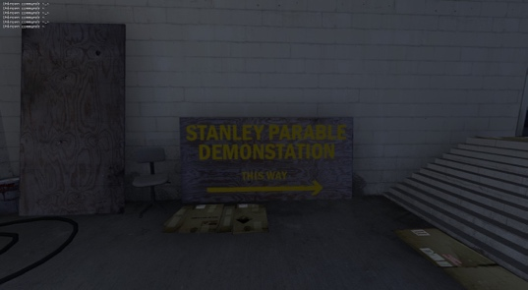
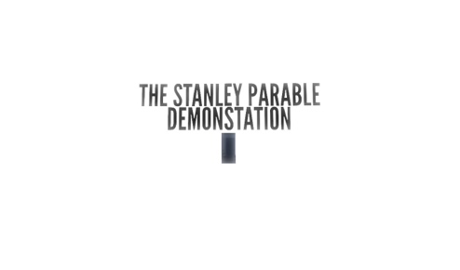

Bug ID: | #TSPD02 | Author: | Vlad Yatsishin | Assigned to: | Vlad Yatsishin

Summary: | "Video Games!!" achievement in "STORAGE" room duplicates during hero flashbacks

Project name: | The Stanley Parable Demo

Version: | 768585

Platform: | Steam

Environment: | Windows 7 Maximum( Version 6.1 (build 7601) )

Severity: | Minor

Priority:

Description:

Preconditions:
1. | Start The Stanley Parable Demo in steam
2. | Choose “Begin the demo“ in menu
Steps to reproduce:
1. | Go through the story until the “STORAGE” room
2. | Move the cup to the bucket or put It anywhere else and get an achievement
3. | Go through the story until the “ISOLATION CHAMBER“ moment
4. | Wait for the “STORAGE ROOM“ flashback and try to move the cup again

Actual result: | The achievement repeated and narrator's lines overlap

Expected result: | The achievement should be not duplicated and the narrator's phrases should go according to the scripts

Bug ID: | #TSPD03 | Author: | Vlad Yatsishin | Assigned to: | Vlad Yatsishin

Summary: | Player unable to restart the demo from pause menu

Project name: | The Stanley Parable Demo

Version: | 768585

Platform: | Steam

Environment: | Windows 7 Maximum( Version 6.1 (build 7601) )

Severity: | Critical

Priority:

Description:

Preconditions:
1. | Start The Stanley Parable Demo in steam
2. | Choose “Begin the demo“ in menu
Steps to reproduce:
1. | Press “Esc” and choose “Begin the demo again“

Actual result: | Nothing happens and the demo won't restart

Expected result: | The demo should restart from the beginning

Bug ID: | #TSPD04 | Author: | Vlad Yatsishin | Assigned to: | Vlad Yatsishin

Summary: | The "temper" red buttons in a "red buttons room" can be pressed without seeing them

Project name: | The Stanley Parable Demo

Version: | 768585

Platform: | Steam

Environment: | Windows 7 Maximum( Version 6.1 (build 7601) )

Severity: | Trivial

Priority:

Description:

Preconditions:
1. | Start The Stanley Parable Demo in steam
2. | Choose “Begin the demo“ in menu
Steps to reproduce:
1. | Go through the story until the room with a lot of “temper“ red buttons
2. | Go behind one of the walls and try to press one the buttons behind the wall

Actual result: | The button is pressed through the wall and the narrator's phrase is activated

Expected result: | The button should not push through the wall

Bug ID: | #TSPD05 | Author: | Vlad Yatsishin | Assigned to: | Vlad Yatsishin

Summary: | "Unknown command" message is displayed of top left side of screen after activating a console in game properties

Project name: | The Stanley Parable Demo

Version: | 768585

Platform: | Steam

Environment: | Windows 7 Maximum( Version 6.1 (build 7601) )

Severity: | Trivial

Priority:

Description:

Preconditions:
1. | Open The Stanley Parable Demo steam page
2. | Click on a game settings and choose “properties“
3. | In “General“ go to “Launch options“ and print “-dev -console“
4. | Start The Stanley Parable Demo in steam
5. | Choose “Begin the demo“ in menu
Steps to reproduce:
1. | Press any button

Actual result: | Seeing “Unknown command“ line in top left side of screen every time when any button being pressed

Expected result: | Command lines should not be visible of the screen

Attachments:

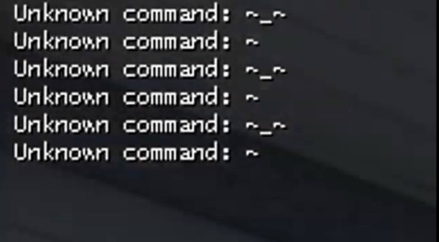

Notes: | in my opinion, the game conflicts with the console in some way, and in my gaming experience this should not be. The essence of the bug could be revealed more clearly by recording a video, but unfortunately this is not possible on my old laptop, and the game is not supported on Mac OS. Logs must be recorded. This problem needs discussion.

